Q.1
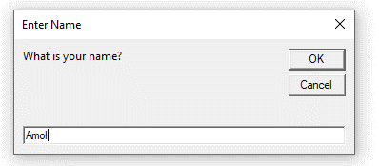
Amol
 | 1. Write a VBA code to enter your name in A1 Cell using Input Box and once you enter the name display a message box that says the name has been entered. VBA”

 | Step -1 Select A1 cell & run the macro
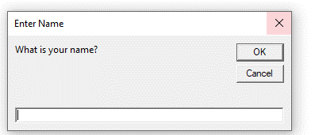

 | Step-2 : Enter your name

Q.2
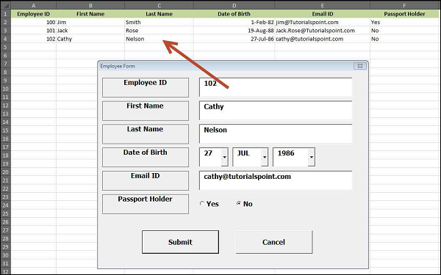
2. What are Userforms? Why are they used? How to fill a list box using for loop.

A User Form is a custom-built dialog box that makes a user data entry more controllable and easier to use for the user. In this chapter, you will learn to design a simple form and add data into excel.
Step 1 − Navigate to VBA Window by pressing Alt+F11 and Navigate to "Insert" Menu and select "User Form". Upon selecting, the user form is displayed as shown in the following screenshot.
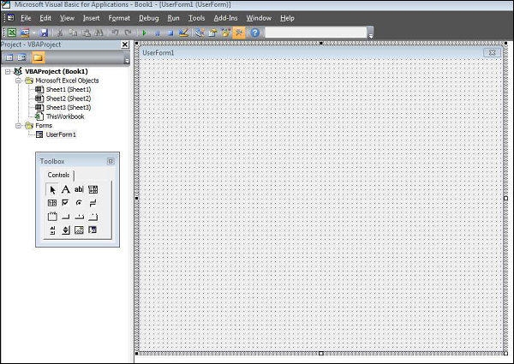

Step 2 − Design the forms using the given controls.
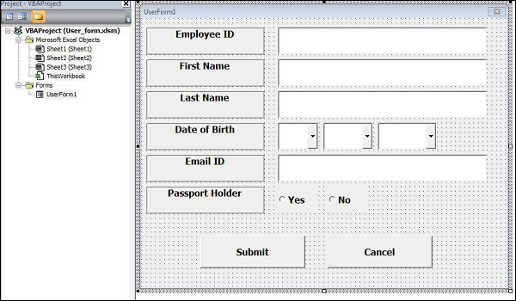

Step 3 − After adding each control, the controls have to be named. Caption corresponds to what appears on the form and name corresponds to the logical name that will be appearing when you write VBA code for that element.

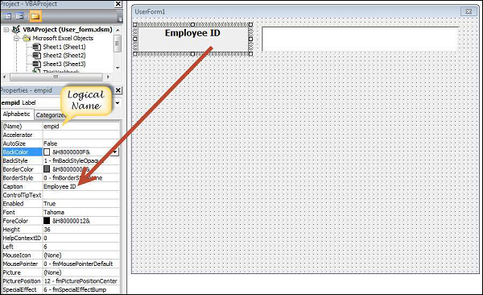

Step 4 − Following are the names against each one of the added controls.

Control | Logical Name | Caption
From | frmempform | Employee Form
Employee ID Label Box | empid | Employee ID
firstname Label Box | firstname | First Name
lastname Label Box | lastname | Last Name
dob Label Box | dob | Date of Birth
mailid Label Box | mailid | Email ID
Passportholder Label Box | Passportholder | Passport Holder
Emp ID Text Box | txtempid | NOT Applicable
First Name Text Box | txtfirstname | NOT Applicable
Last Name Text Box | txtlastname | NOT Applicable
Email ID Text Box | txtemailid | NOT Applicable
Date Combo Box | cmbdate | NOT Applicable
Month Combo Box | cmbmonth | NOT Applicable
Year Combo Box | cmbyear | NOT Applicable
Yes Radio Button | radioyes | Yes
No Radio Button | radiono | No
Submit Button | btnsubmit | Submit
Cancel Button | btncancel | Cancel
Step 5 − Add the code for the form load event by performing a right-click on the form and selecting 'View Code'.

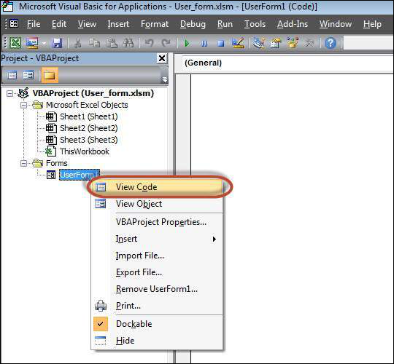

Step 6 − Select ‘Userform’ from the objects drop-down and select 'Initialize' method as shown in the following screenshot.

Step 7 − Upon Loading the form, ensure that the text boxes are cleared, drop-down boxes are filled and Radio buttons are reset.
Private Sub UserForm_Initialize()
'Empty Emp ID Text box and Set the Cursor
txtempid.Value = ""
txtempid.SetFocus

'Empty all other text box fields
txtfirstname.Value = ""
txtlastname.Value = ""
txtemailid.Value = ""

'Clear All Date of Birth Related Fields
cmbdate.Clear
cmbmonth.Clear
cmbyear.Clear

'Fill Date Drop Down box - Takes 1 to 31
With cmbdate
.AddItem "1"
.AddItem "2"
.AddItem "3"
.AddItem "4"
.AddItem "5"
.AddItem "6"
.AddItem "7"
.AddItem "8"
.AddItem "9"
.AddItem "10"
.AddItem "11"
.AddItem "12"
.AddItem "13"
.AddItem "14"
.AddItem "15"
.AddItem "16"
.AddItem "17"
.AddItem "18"
.AddItem "19"
.AddItem "20"
.AddItem "21"
.AddItem "22"
.AddItem "23"
.AddItem "24"
.AddItem "25"
.AddItem "26"
.AddItem "27"
.AddItem "28"
.AddItem "29"
.AddItem "30"
.AddItem "31"
End With

'Fill Month Drop Down box - Takes Jan to Dec
With cmbmonth
.AddItem "JAN"
.AddItem "FEB"
.AddItem "MAR"
.AddItem "APR"
.AddItem "MAY"
.AddItem "JUN"
.AddItem "JUL"
.AddItem "AUG"
.AddItem "SEP"
.AddItem "OCT"
.AddItem "NOV"
.AddItem "DEC"
End With

'Fill Year Drop Down box - Takes 1980 to 2014
With cmbyear
.AddItem "1980"
.AddItem "1981"
.AddItem "1982"
.AddItem "1983"
.AddItem "1984"
.AddItem "1985"
.AddItem "1986"
.AddItem "1987"
.AddItem "1988"
.AddItem "1989"
.AddItem "1990"
.AddItem "1991"
.AddItem "1992"
.AddItem "1993"
.AddItem "1994"
.AddItem "1995"
.AddItem "1996"
.AddItem "1997"
.AddItem "1998"
.AddItem "1999"
.AddItem "2000"
.AddItem "2001"
.AddItem "2002"
.AddItem "2003"
.AddItem "2004"
.AddItem "2005"
.AddItem "2006"
.AddItem "2007"
.AddItem "2008"
.AddItem "2009"
.AddItem "2010"
.AddItem "2011"
.AddItem "2012"
.AddItem "2013"
.AddItem "2014"
End With

'Reset Radio Button. Set it to False when form loads.
radioyes.Value = False
radiono.Value = False

End Sub

Step 8 − Now add the code to the Submit button. Upon clicking the submit button, the user should be able to add the values into the worksheet.
Private Sub btnsubmit_Click()
Dim emptyRow As Long

'Make Sheet1 active
Sheet1.Activate

'Determine emptyRow
emptyRow = WorksheetFunction.CountA(Range("A:A")) + 1

'Transfer information
Cells(emptyRow, 1).Value = txtempid.Value
Cells(emptyRow, 2).Value = txtfirstname.Value
Cells(emptyRow, 3).Value = txtlastname.Value
Cells(emptyRow, 4).Value = cmbdate.Value & "/" & cmbmonth.Value & "/" & cmbyear.Value
Cells(emptyRow, 5).Value = txtemailid.Value

If radioyes.Value = True Then
Cells(emptyRow, 6).Value = "Yes"
Else
Cells(emptyRow, 6).Value = "No"
End If
End Sub

Step 9 − Add a method to close the form when the user clicks the Cancel button.
Private Sub btncancel_Click()
Unload Me
End Sub

Step 10 − Execute the form by clicking the "Run" button. Enter the values into the form and click the 'Submit' button. Automatically the values will flow into the worksheet as shown in the following screenshot.

Q.3
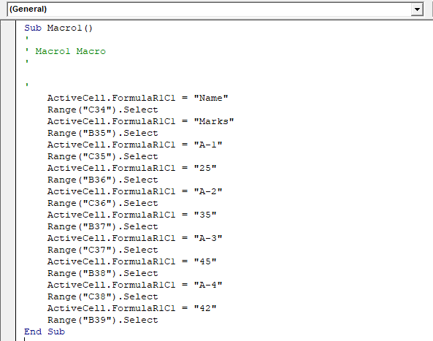
3. What is an array? Write a VBA code to enter students and their marks from the below table.

What is an array?

In VBA, an array is a variable that can store multiple values. You can access all the values from that array at once or you can also access a single value by specifying its index number which is the position of that value in the array. Imagine you have a date with student’s name, subject, and scores.

You can store all this information in an array, not just for one student but for hundreds. Here’s a simple example to explain an array.

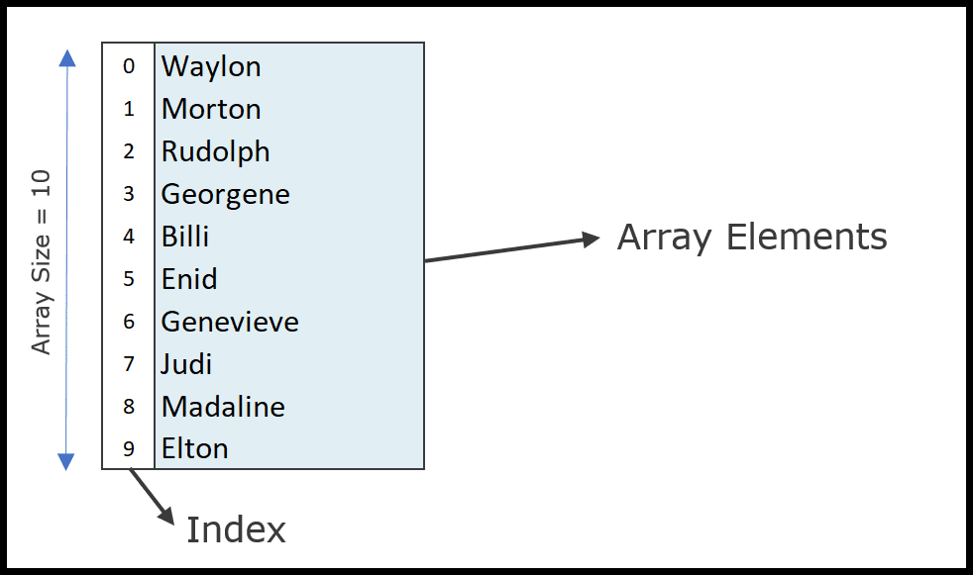

In the above example, you have an array with ten elements (size of the array) and each element has a specific position (Index).

So, if you want to use an element that is in the eighth position you need to refer to that element using its index number.

The array that we have used in the above example is a single-dimension array. But ahead in this guide, we will learn about multidimensional arrays as well

Write a VBA code to enter students and their marks from the below table.
Select B34 cell and run the macro
Name | Marks
A-1 | 25
A-2 | 35
A-3 | 45
A-4 | 42

Q4
4. Use the following data to create a pie chart using VBA code. Use Font - ‘Times new Roman’, Size -14, Bold, Title - Piechart’ and you are per to use colours as per your taste.

Pie Chart
Order ID | Product | Category | Amount | Date | Country
1 | Shoe | Footwear | 4270 | 2016-01-06 | Madhya Pradesh | Row Labels | Sum of Amount
2 | Scale | Stationary | 617 | 2016-01-08 | Madhya Pradesh | Compass | 104438
3 | Scale | Stationary | 8384 | 2016-01-10 | West Bengal | Pen | 57079
4 | Socks | Footwear | 2626 | 2016-01-10 | Uttar Pradesh | Pencil | 191257
5 | Compass | Stationary | 3610 | 2016-01-11 | Madhya Pradesh | Scale | 340295
6 | Scale | Stationary | 6906 | 2016-01-16 | Tamilnadu | Shoe | 136945
7 | Pencil | Stationary | 2417 | 2016-01-16 | Delhi | Socks | 57281
8 | Pencil | Stationary | 7431 | 2016-01-16 | West Bengal | Grand Total | 887295
9 | Scale | Stationary | 8250 | 2016-01-16 | Uttar Pradesh
10 | Shoe | Footwear | 1903 | 2016-01-20 | Uttar Pradesh
11 | Pencil | Stationary | 6946 | 2016-01-24 | Delhi
12 | Scale | Stationary | 2320 | 2016-01-27 | Kerala
13 | Scale | Stationary | 2116 | 2016-01-28 | Madhya Pradesh
14 | Scale | Stationary | 1135 | 2016-01-30 | Kerala
15 | Pencil | Stationary | 1161 | 2016-02-02 | Madhya Pradesh
16 | Compass | Stationary | 2256 | 2016-02-04 | Delhi
17 | Scale | Stationary | 1004 | 2016-02-11 | Tamilnadu
18 | Scale | Stationary | 3642 | 2016-02-14 | West Bengal
19 | Scale | Stationary | 4582 | 2016-02-17 | Madhya Pradesh
20 | Socks | Footwear | 3559 | 2016-02-17 | Kerala
21 | Shoe | Footwear | 5154 | 2016-02-17 | Telangana
22 | Pen | Stationary | 7388 | 2016-02-18 | Delhi
23 | Socks | Footwear | 7163 | 2016-02-18 | Madhya Pradesh
24 | Socks | Footwear | 5101 | 2016-02-20 | Uttar Pradesh
25 | Pencil | Stationary | 7602 | 2016-02-21 | Delhi
26 | Pen | Stationary | 1641 | 2016-02-22 | Madhya Pradesh
27 | Pencil | Stationary | 8892 | 2016-02-23 | Telangana
28 | Pencil | Stationary | 2060 | 2016-02-29 | Delhi
29 | Pencil | Stationary | 6509 | 2016-03-01 | Delhi
30 | Pencil | Stationary | 5718 | 2016-03-04 | Telangana
31 | Pencil | Stationary | 7655 | 2016-03-05 | Madhya Pradesh
32 | Shoe | Footwear | 9116 | 2016-03-05 | Kerala
33 | Scale | Stationary | 2795 | 2016-03-15 | Madhya Pradesh
34 | Scale | Stationary | 5084 | 2016-03-15 | Madhya Pradesh
35 | Shoe | Footwear | 8941 | 2016-03-15 | Kerala
36 | Scale | Stationary | 135 | 2016-03-19 | West Bengal
37 | Scale | Stationary | 9400 | 2016-03-19 | Telangana
38 | Socks | Footwear | 6045 | 2016-03-21 | Uttar Pradesh
39 | Pencil | Stationary | 5820 | 2016-03-22 | Tamilnadu
40 | Compass | Stationary | 8887 | 2016-03-23 | Uttar Pradesh
41 | Compass | Stationary | 6982 | 2016-03-24 | Madhya Pradesh
42 | Scale | Stationary | 4029 | 2016-03-26 | Telangana
43 | Shoe | Footwear | 3665 | 2016-03-26 | Uttar Pradesh
44 | Scale | Stationary | 4781 | 2016-03-29 | Delhi
45 | Pen | Stationary | 3663 | 2016-03-30 | Telangana
46 | Pencil | Stationary | 6331 | 2016-04-01 | Delhi
47 | Pencil | Stationary | 4364 | 2016-04-01 | West Bengal
48 | Shoe | Footwear | 607 | 2016-04-03 | Kerala
49 | Scale | Stationary | 1054 | 2016-04-06 | Tamilnadu
50 | Shoe | Footwear | 7659 | 2016-04-06 | Madhya Pradesh
51 | Scale | Stationary | 235 | 2016-04-17 | Madhya Pradesh
52 | Compass | Stationary | 1113 | 2016-04-18 | Telangana
53 | Pencil | Stationary | 1128 | 2016-04-21 | Madhya Pradesh
54 | Scale | Stationary | 4387 | 2016-04-23 | Madhya Pradesh
55 | Pencil | Stationary | 2763 | 2016-04-25 | West Bengal
56 | Scale | Stationary | 7898 | 2016-04-27 | Kerala
57 | Scale | Stationary | 2427 | 2016-04-30 | Delhi
58 | Scale | Stationary | 8663 | 2016-05-01 | Tamilnadu
59 | Shoe | Footwear | 2789 | 2016-05-01 | Uttar Pradesh
60 | Scale | Stationary | 4054 | 2016-05-02 | Madhya Pradesh
61 | Pen | Stationary | 2262 | 2016-05-02 | Madhya Pradesh
62 | Pen | Stationary | 5600 | 2016-05-02 | Kerala
63 | Scale | Stationary | 5787 | 2016-05-03 | Madhya Pradesh
64 | Compass | Stationary | 6295 | 2016-05-03 | West Bengal
65 | Scale | Stationary | 474 | 2016-05-05 | Uttar Pradesh
66 | Pencil | Stationary | 4325 | 2016-05-05 | Delhi
67 | Scale | Stationary | 592 | 2016-05-06 | Madhya Pradesh
68 | Compass | Stationary | 4330 | 2016-05-08 | Madhya Pradesh
69 | Scale | Stationary | 9405 | 2016-05-08 | Kerala
70 | Pencil | Stationary | 7671 | 2016-05-08 | Delhi
71 | Shoe | Footwear | 5791 | 2016-05-08 | Kerala
72 | Scale | Stationary | 6007 | 2016-05-12 | West Bengal
73 | Scale | Stationary | 5030 | 2016-05-14 | Uttar Pradesh
74 | Shoe | Footwear | 6763 | 2016-05-14 | Kerala
75 | Scale | Stationary | 4248 | 2016-05-15 | Telangana
76 | Scale | Stationary | 9543 | 2016-05-16 | Delhi
77 | Socks | Footwear | 7094 | 2016-05-16 | Uttar Pradesh
78 | Shoe | Footwear | 6087 | 2016-05-18 | Madhya Pradesh
79 | Pencil | Stationary | 4264 | 2016-05-19 | Telangana
80 | Pen | Stationary | 9333 | 2016-05-20 | Madhya Pradesh
81 | Pen | Stationary | 8775 | 2016-05-22 | Uttar Pradesh
82 | Scale | Stationary | 5632 | 2016-05-25 | Madhya Pradesh
83 | Scale | Stationary | 4904 | 2016-05-25 | Tamilnadu
84 | Socks | Footwear | 1002 | 2016-05-25 | Telangana
85 | Compass | Stationary | 8141 | 2016-05-26 | Kerala
86 | Compass | Stationary | 3644 | 2016-05-26 | West Bengal
87 | Compass | Stationary | 1380 | 2016-05-26 | Telangana
88 | Scale | Stationary | 5182 | 2016-05-27 | Madhya Pradesh
89 | Pencil | Stationary | 2193 | 2016-05-27 | Delhi
90 | Pen | Stationary | 3647 | 2016-05-28 | Madhya Pradesh
91 | Pencil | Stationary | 4104 | 2016-05-28 | Madhya Pradesh
92 | Shoe | Footwear | 7457 | 2016-05-28 | Madhya Pradesh
93 | Pen | Stationary | 3767 | 2016-05-29 | West Bengal
94 | Scale | Stationary | 3917 | 2016-06-04 | Madhya Pradesh
95 | Pencil | Stationary | 521 | 2016-06-04 | West Bengal
96 | Pencil | Stationary | 5605 | 2016-06-10 | Delhi
97 | Scale | Stationary | 6941 | 2016-06-20 | West Bengal
98 | Scale | Stationary | 107 | 2016-06-25 | Delhi
99 | Scale | Stationary | 4243 | 2016-06-26 | Madhya Pradesh
100 | Compass | Stationary | 4514 | 2016-06-27 | Madhya Pradesh
101 | Pen | Stationary | 5480 | 2016-07-02 | Madhya Pradesh
102 | Scale | Stationary | 5002 | 2016-07-02 | Delhi
103 | Scale | Stationary | 8530 | 2016-07-05 | West Bengal
104 | Compass | Stationary | 4819 | 2016-07-07 | Tamilnadu
105 | Compass | Stationary | 2318 | 2016-07-13 | Kerala
106 | Compass | Stationary | 220 | 2016-07-20 | Kerala
107 | Compass | Stationary | 6341 | 2016-07-20 | Tamilnadu
108 | Pencil | Stationary | 330 | 2016-07-20 | Uttar Pradesh
109 | Compass | Stationary | 850 | 2016-07-22 | Tamilnadu
110 | Scale | Stationary | 8986 | 2016-07-23 | Kerala
111 | Shoe | Footwear | 5751 | 2016-07-28 | Kerala
112 | Pencil | Stationary | 1704 | 2016-07-29 | Kerala
113 | Scale | Stationary | 7966 | 2016-07-30 | Telangana
114 | Scale | Stationary | 852 | 2016-07-31 | Madhya Pradesh
115 | Socks | Footwear | 8416 | 2016-07-31 | Telangana
116 | Scale | Stationary | 7144 | 2016-08-01 | Delhi
117 | Compass | Stationary | 859 | 2016-08-03 | Madhya Pradesh
118 | Scale | Stationary | 2836 | 2016-08-13 | Uttar Pradesh
119 | Shoe | Footwear | 1743 | 2016-08-19 | Madhya Pradesh
120 | Pencil | Stationary | 3844 | 2016-08-23 | Delhi
121 | Pencil | Stationary | 7490 | 2016-08-24 | Delhi
122 | Pencil | Stationary | 7333 | 2016-08-27 | West Bengal
123 | Shoe | Footwear | 7654 | 2016-08-28 | Madhya Pradesh
124 | Pencil | Stationary | 3944 | 2016-08-29 | Kerala
125 | Socks | Footwear | 5761 | 2016-08-29 | Uttar Pradesh
126 | Scale | Stationary | 6864 | 2016-09-01 | Tamilnadu
127 | Scale | Stationary | 4016 | 2016-09-01 | Uttar Pradesh
128 | Scale | Stationary | 1841 | 2016-09-02 | Madhya Pradesh
129 | Scale | Stationary | 424 | 2016-09-05 | Telangana
130 | Scale | Stationary | 8765 | 2016-09-07 | Kerala
131 | Scale | Stationary | 5583 | 2016-09-08 | Madhya Pradesh
132 | Pencil | Stationary | 8489 | 2016-09-11 | Madhya Pradesh
133 | Scale | Stationary | 7090 | 2016-09-11 | Delhi
134 | Scale | Stationary | 7880 | 2016-09-15 | Madhya Pradesh
135 | Compass | Stationary | 3861 | 2016-09-18 | Madhya Pradesh
136 | Scale | Stationary | 6162 | 2016-09-20 | Madhya Pradesh
137 | Pen | Stationary | 5523 | 2016-09-25 | Telangana
138 | Shoe | Footwear | 7251 | 2016-09-26 | Uttar Pradesh
139 | Compass | Stationary | 6187 | 2016-09-27 | Telangana
140 | Scale | Stationary | 3210 | 2016-09-29 | Uttar Pradesh
141 | Shoe | Footwear | 682 | 2016-09-29 | Uttar Pradesh
142 | Scale | Stationary | 793 | 2016-10-03 | Telangana
143 | Shoe | Footwear | 5346 | 2016-10-04 | Uttar Pradesh
144 | Scale | Stationary | 7103 | 2016-10-07 | Tamilnadu
145 | Shoe | Footwear | 4603 | 2016-10-10 | Madhya Pradesh
146 | Pencil | Stationary | 8160 | 2016-10-16 | Delhi
147 | Pencil | Stationary | 7171 | 2016-10-23 | Kerala
148 | Scale | Stationary | 3552 | 2016-10-23 | Tamilnadu
149 | Scale | Stationary | 7273 | 2016-10-25 | Telangana
150 | Scale | Stationary | 2402 | 2016-10-26 | Uttar Pradesh
151 | Scale | Stationary | 1197 | 2016-10-26 | Telangana
152 | Socks | Footwear | 5015 | 2016-10-26 | Telangana
153 | Compass | Stationary | 5818 | 2016-11-02 | Madhya Pradesh
154 | Scale | Stationary | 4399 | 2016-11-03 | Kerala
155 | Shoe | Footwear | 3011 | 2016-11-03 | Madhya Pradesh
156 | Pencil | Stationary | 4715 | 2016-11-09 | Kerala
157 | Pencil | Stationary | 5321 | 2016-11-12 | Delhi
158 | Scale | Stationary | 8894 | 2016-11-15 | Madhya Pradesh
159 | Shoe | Footwear | 4846 | 2016-11-25 | Kerala
160 | Compass | Stationary | 8283 | 2016-11-26 | Kerala
161 | Compass | Stationary | 9990 | 2016-11-28 | West Bengal
162 | Scale | Stationary | 9014 | 2016-11-28 | Telangana
163 | Pencil | Stationary | 1942 | 2016-11-29 | Delhi
164 | Scale | Stationary | 7223 | 2016-11-30 | Madhya Pradesh
165 | Shoe | Footwear | 4673 | 2016-12-02 | Madhya Pradesh
166 | Shoe | Footwear | 9104 | 2016-12-04 | Delhi
167 | Pencil | Stationary | 6078 | 2016-12-05 | Madhya Pradesh
168 | Socks | Footwear | 3278 | 2016-12-06 | Uttar Pradesh
169 | Scale | Stationary | 136 | 2016-12-12 | West Bengal
170 | Scale | Stationary | 8377 | 2016-12-12 | Telangana
171 | Scale | Stationary | 2382 | 2016-12-12 | Madhya Pradesh
172 | Scale | Stationary | 8702 | 2016-12-15 | Uttar Pradesh
173 | Scale | Stationary | 5021 | 2016-12-16 | Madhya Pradesh
174 | Pencil | Stationary | 1760 | 2016-12-16 | Telangana
175 | Scale | Stationary | 4766 | 2016-12-18 | Uttar Pradesh
176 | Socks | Footwear | 1541 | 2016-12-19 | Kerala
177 | Compass | Stationary | 2782 | 2016-12-20 | Kerala
178 | Pencil | Stationary | 2455 | 2016-12-20 | West Bengal
179 | Pencil | Stationary | 4512 | 2016-12-22 | Tamilnadu
180 | Pencil | Stationary | 8752 | 2016-12-22 | Uttar Pradesh
181 | Shoe | Footwear | 9127 | 2016-12-25 | Madhya Pradesh
182 | Pencil | Stationary | 1777 | 2016-12-28 | Delhi
183 | Socks | Footwear | 680 | 2016-12-28 | Delhi
184 | Compass | Stationary | 958 | 2016-12-29 | Madhya Pradesh
185 | Shoe | Footwear | 2613 | 2016-12-29 | Telangana
186 | Shoe | Footwear | 339 | 2016-12-30 | Telangana

Q.5
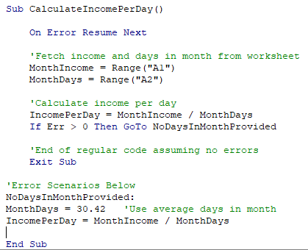
5. Write some good practices to be followed by VBA users for handling errors

VBA Error Handling Best Practices
Use 'On Error Go [Label]' at the beginning of the code. ...
Use 'On Error Resume Next' ONLY when you're sure about the errors that can occur. ...
When using error handlers, make sure you're using Exit Sub before the handlers. ...
Use multiple error handlers to trap different kinds of errors.

Types of VBA Errors

To make things easier, we’ve categorized the types of coding errors into three groups. For each group, we’ll explore some examples, and then discuss how you might investigate and resolve them.

1. Syntax errors – A specific line of code is not written correctly

2. Compile errors – Issues that happen when putting together lines of code, though the individual lines of code seem to make sense

3. Runtime errors – When the code is usually correct in principle, but an action taken by the user or the data being used leads to unexpected errors.

What are Syntax Errors?

Syntax errors are VBA’s way of telling you if your code makes sense, at the most basic of levels. We can make a simple comparison to the rules of writing a sentence in English:

A subject is required.
A verb is required.
A capital letter is required at the beginning.
Punctuation is required at the end.
Objects, adjectives, and other grammatical features are optional.

Jane found 18 errors in her VBA code.

In a similar manner, VBA imposes certain rules over what is required in certain situations. For example, when initiating a basic conditional IF statement in your code, you must replicate the following syntax rules for the first line of an IF statement;

It must begin with If
Next must be a logical test, such as x>10
Finally, it must end with the word then

If NumberErrors>20 then

If you break the above rules of English or VBA, your grammar (English) or syntax (VBA) is considered incorrect.

How to Identify a Syntax Error

The VBA editor highlights syntax errors in red, allowing you to easily identify and resolve them. In addition, if you try to run your code or start a new line, you’ll be presented with the syntax error message below.

Basic syntax error:

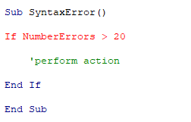

Syntax error message box:

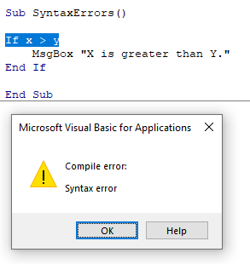

To make sure the checks occur as you’re typing, enable the “Auto Syntax Check” in the Options menu.

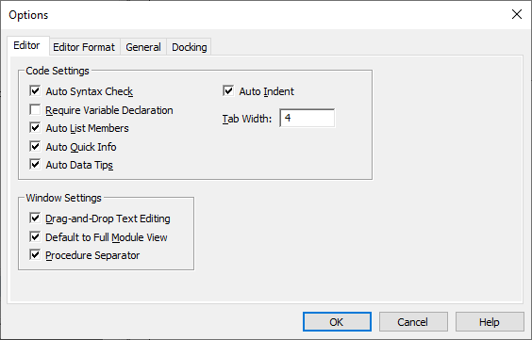

How to Resolve Syntax Errors

Syntax errors represent mistakes in the way a specific line of your code is written. They must be fixed before you can run your code. With experience, the red text will be all you need to spot the error. But if you’re still stuck, just search online for “if statement syntax vba” or whichever variation suits your needs, and you’ll find plenty of examples of the specific line you’re trying to write.

What are Compile Errors?

Compile errors refer to a wider group of VBA errors, which include syntax errors. Compile errors also identify problems with your code when considered as a whole. The syntax of each individual line may be correct, but when put together, the lines of your code don’t make sense. Compile errors are highlighted when you compile or run your code.

How to Identify a Compile Error

When you run your VBA code, compile errors will be presented in a VBA dialog box as per the examples below.

Alternatively, if your project is long or complex and involves multiple routines, it can be helpful to compile your code before you run it. It prevents situations where half of your code runs successfully and then an error pops up. You can compile your VBA code by clicking Debug Menu → Compile VBA Project.

Example 1

A compile error for a missing “End if” part of an IF statement. Every individual line in the code is correct, but together, they don’t represent a complete IF statement.

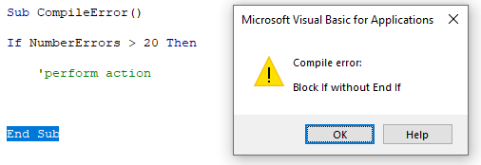

Example 2

In this example, the VBA compile process has detected a syntax error, highlighted in red. VBA indicates that the code below is missing a closing bracket on the function.

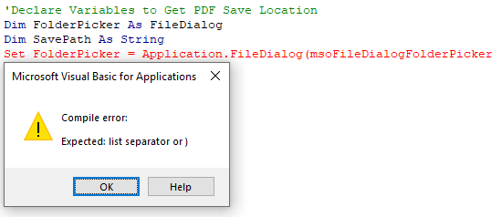

Example 3

Compile errors are common when using Option Explicit and occur when a variable has not been explicitly defined. With Option Explicit activated, a Dim statement is required to declare all variables before they can be used in your code.

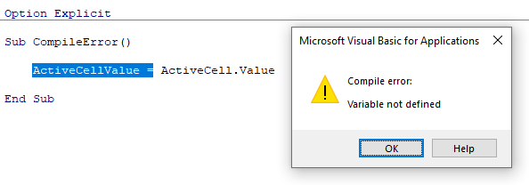

How to Resolve Compile Errors

VBA compile errors will prevent affected routines from running. Until you fix them, your code cannot be interpreted correctly by VBA. The error message boxes often provide more helpful advice than with syntax errors.

If it’s not immediately obvious to you what the issue is from the error message, try using Microsoft’s Help Center to get an idea of exactly how your statement or function should be written. Here’s an example of the “Block if without end if” error message on the Microsoft website.

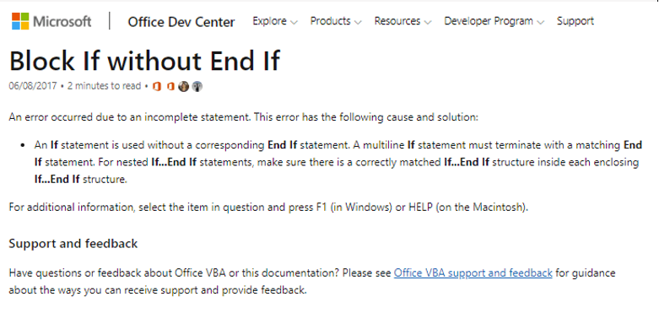

What are Runtime Errors?

Once you’ve fixed syntax errors and compile errors, you’re ready to start testing or running your code properly to see how well it executes your desired actions or calculations. We call the period of testing, or live execution of code, “runtime.”

Runtime errors cannot be detected by simply looking at the code; they are a result of your code interacting with the specific inputs or data at that time.

Runtime errors are often caused by unexpected data being passed to the VBA code, mismatching data types, dividing by unexpected zeros, and defined cell ranges not being available. Runtime errors are also the most varied and complex to track down and fix.

How to Identify Runtime Errors

The VBA Debug function highlights the problem code in yellow and gives us a small clue as to what is causing the problem.

Example 1

While the code below simply divides one number by the other, there are some instances where it won’t be possible. For example, if cell A1 = 2 and cell A2 = 0, it’s not possible to divide by zero. The runtime error box includes a debug button, which highlights the problem code.

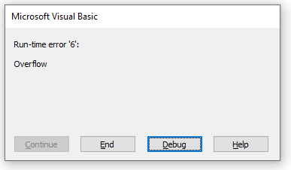

Example 2

In this example, I created an array to collect the names of n companies in my worksheet. I then tried to reference the sixth item, which may or may not exist at run time. VBA presents a runtime error message and allows me to press Debug to investigate the issue.

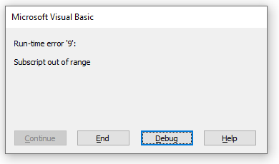

Once I press Debug, VBA highlights the line of code that is causing the problem. Now it’s down to me to use the “Subscript out of range” message to work out what’s going wrong. The subscript out of range error generally means that your code is good in principle, but that the specific item you’re looking for can’t be found. Most commonly, it will happen when referencing cells or ranges in Excel, as well as arrays in your VBA code.

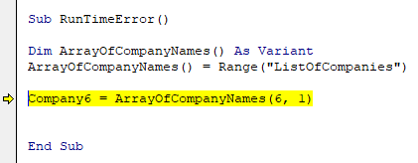

To make sure the Debug function is enabled, in the Options > General > Error Trapping menu, the default state should be to “Break on Unhandled Errors.” Leave the option checked.

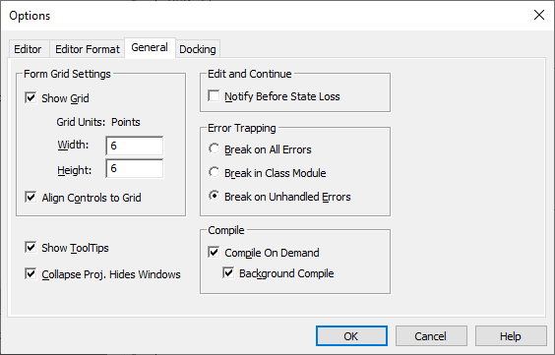

How to Resolve Runtime Errors

Since runtime errors are varied and complex in nature, the solutions are also varied. The two general methods to reduce runtime errors are:

Error Trapping

It’s a good idea to put some thought into what possible scenarios your code might encounter. Even better is testing your code on practice data or with real users. It will allow you to recognize such scenarios in your VBA, with code branching into different outcomes, depending on if errors exist.

Example 1

Here, the ‘On Error Resume Next’ line forces the code to continue, even if an error is detected. We then use the If Err > 0 test to create a warning message, only if the error exists. The ‘On Error Goto 0’ resets VBA to its default state.

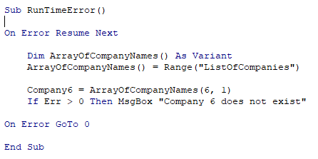

Example 2

Here, the code is calculating income per day, based on a monthly income, and a defined number of days. If the number of days is not provided, we skip to a defined point in our code called “NoDaysInMonthProvided:,” where we use the average number of days in a month as a base assumption. While it is simplistic, it shows clearly how to trap an error and skip to a different point in your code.

Q.6
 | 6. What is UDF? Why are UDF’s used? Create a UDF to multiply 2 numbers in VBA

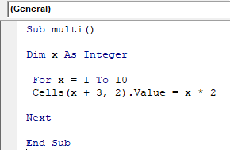
2 | Create a UDF to multiply 2 numbers in VBA
4
6
8
10
12
14
16
18
20
 | What is UDF?

 | Any formula we can access from the worksheet with a piece of code is called UDF. In simple terms, any formula not built-in but available in Excel is called “User Defined Functions.

 | Why are UDF’s used?

 | Can we record a UDF?

 | No, you cannot record a UDF. You have to write code for UDF yourself in module area of visual basic editor (VBE).

 | Benefits of UDFs

 | 1. It comes in very handy when it requires nesting of multiple built-in excel functions. By creating a UDF one time, you can use it anywhere in the workbook. It will do what you want.
 | 2. You can use a UDF in the Sub procedure.

 | Limitations of UDFs

 | 1. No macro recording facility
 | 2. Cannot change the structure of a worksheet such as insert/delete/rename a workbook or sheet, formatting etc
 | 3. Cannot use many of built in excel features such as AdvancedFilters, Find- Replace, Pivot Table etc

